latency
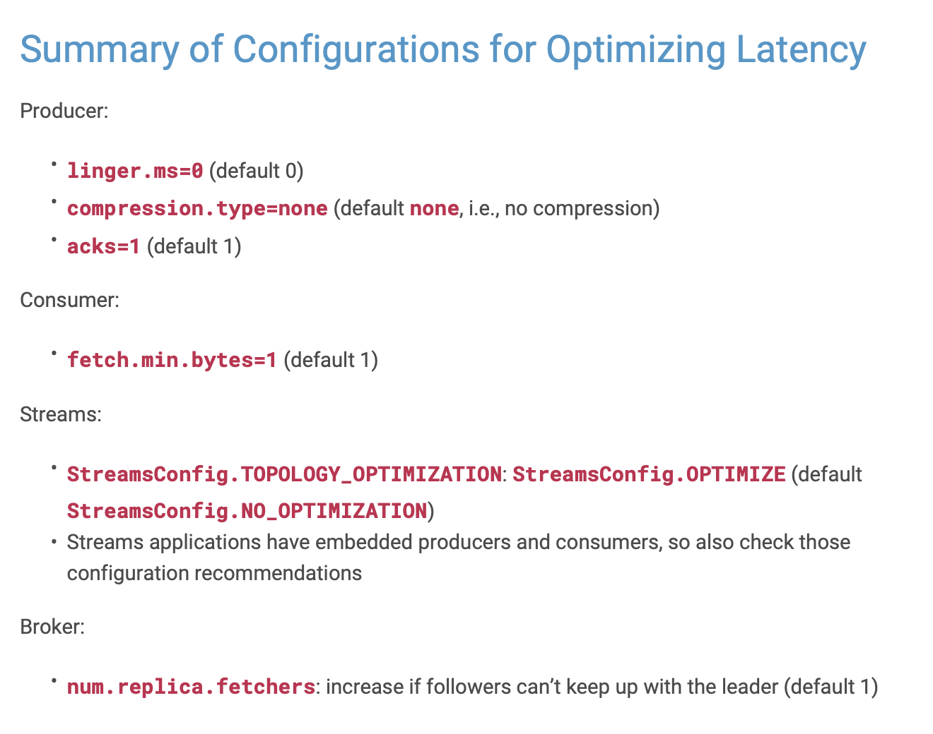
Latency
checked | property source | property name | default | configured | recommended | delta / action

 | Producer | linger.ms | 0 | 0 | 0 | ?
 | Producer | compression.type | none | 0 | none | ?
 | Producer | acks | 1 | 0 | 1 | ?

 | Consumer | fetch.min.bytes | 1 | 0 | 1 | ?

 | Streams | StreamsConfig.TOPOLOGY_OPTIMIZATION | StreamsConfig.NO_OPTIMIZATION | 0 | OPTIMIZE | ?

 | Brokers | num.replica.fetchers | 1 | 0 | increase if followers can't keep up with leader | ? | How too mearsure this?

throughput
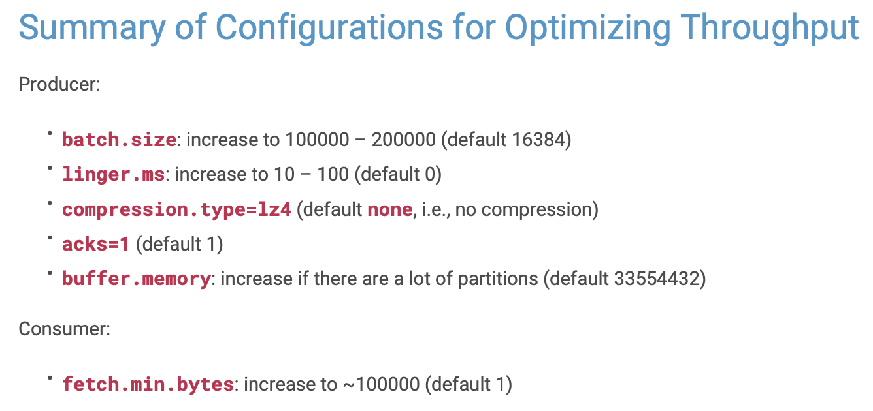
Throughput
checked | property source | property name | default | configured | recommended | delta / action

 | Producer | linger.ms | 0 | 0 | 100 | ?
 | Producer | compression.type | no compression | 0 | lz4 | ?
 | Producer | acks | 1 | 0 | 1 | ?
 | Producer | batch.size | 16384 | 0 | 200000 | ?
 | Producer | buffer.memory | 33554432 | 0 | inncrease in case many partitions are used | ?

 | Consumer | fetch.min.bytes | 1 | 0 | 100000 | ?

durability
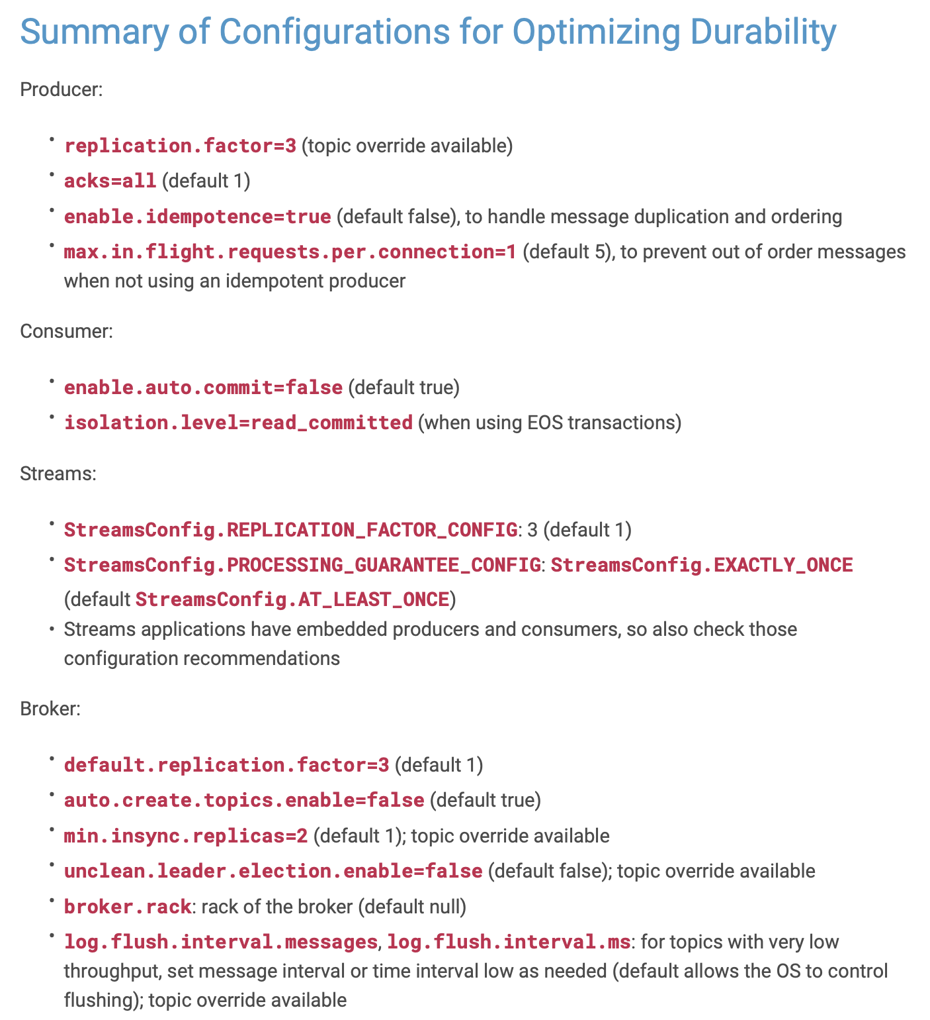
Durability
checked | property source | property name | default | configured | recommended | delta / action

 | Producer | acks | 1 | 0 | all | ?

 | Producer | replication.factor | 3 | 0 | 3 | ?
 | Producer | enable.idempotence | FALSE | 0 | TRUE | ?
 | Producer | max.in.flight.requests.per.connection | 5 | 0 | 1 | ?

 | Consumer | enable.auto.commit | TRUE | 0 | FALSE | ?
 | Consumer | isolation.level | ??? | 0 | read_committed (for EOS) | ?

 | Streams | StreamsConfig.REPLICATION_FACTOR_CONFIG | 1 | 0 | 3 | ?
 | Streams | StreamsConfig.PROCESSING_GUARANTEE_CONFIG | StreamsConfig.AT_LEAST_ONCE | 0 | EXCATLY_ONCE (for EOS) | ?

 | Brokers | default.replication.factor | 1 | 0 | 1 | ?
 | Brokers | min.insync.replicas | 1 | 0 | 2 | ?
 | Brokers | auto.create.topics.enable | TRUE | 0 | FALSE | ?
 | Brokers | unclean.leader.election.enable | FALSE | 0 | FALSE | ?
 | Brokers | broker.rack | null | 0 | rack of broker | ?
 | Brokers | log.flush.interval.messages | OS-responsibility | 0 | low | ?
 | Brokers | log.flush.interval.ms | OS-responsibility | 0 | low | ?

availability
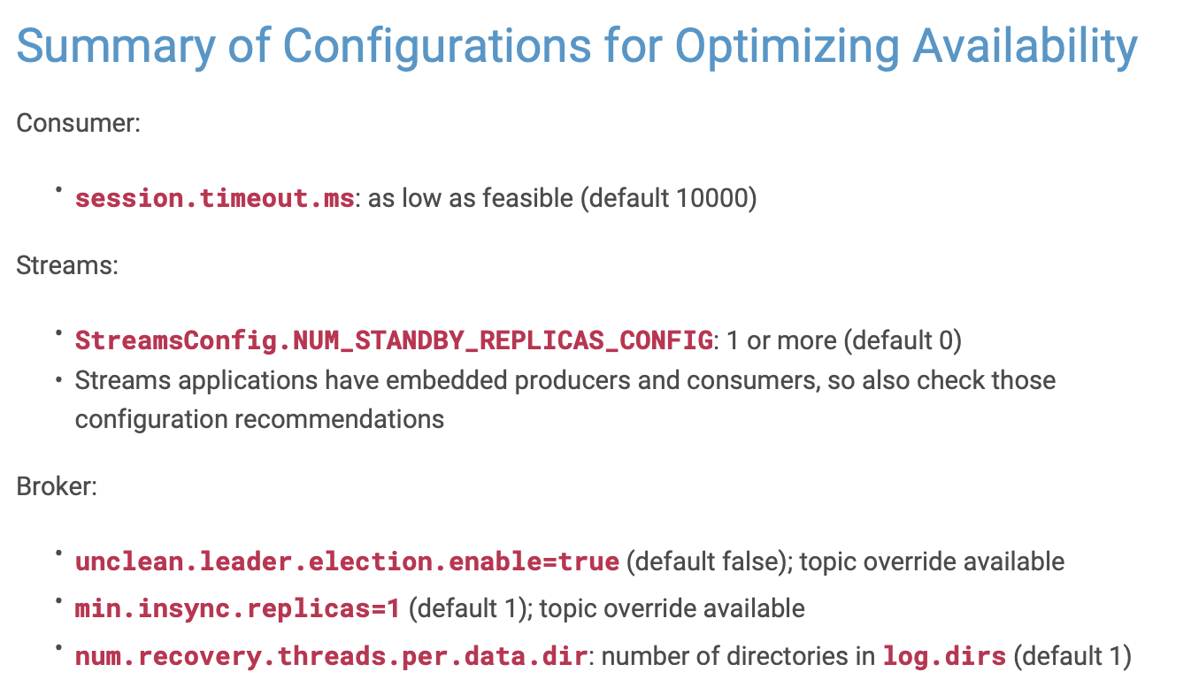
Durability
checked | property source | property name | default | configured | recommended | delta / action

 | Consumer | sessionn.timeout.ms | 10000 | 0 | low | ?

 | Streams | StreamsConfig.NUM_STANDBY_REPLICAS_CONNFIG | 0 | 0 | 1 or more | ?

 | Brokers | min.insync.replicas | 1 | 0 | 1 | ?
 | Brokers | unclean.leader.election.enable | FALSE | 0 | TRUE | ?
 | Brokers | num.recovery.threads.per.data.dir | 1 | 0 | z of dirs in log.dir | ?

